Instruction
Prioritizing barriers to electrifying bus systems |  | Fig. 1. Barriers to electrifying bus systems
The aim of this study is to evaluate and rank barriers to electrifying bus systems. The extracted barriers are classified into five categories, including technological, economic, social, management, and environmental. In each category, there are some sub-barriers (see Fig. 1). In this research, we use best-worst method (BWM) to rank barriers. To this end, the following steps should be done for each table in the "Barriers" sheet: 1) The most challenging barrier which plays the most critical role in hindering the electrification of bus systems should be inserted under the "Most challenging barrier" cell by typing or selecting from drop-down list. 2) The least challenging barrier which plays the least critical role in hindering the electrification of bus systems should be inserted under the "Least challenging barrier" cell by typing or selecting from drop-down list. 3) With pairwise comparison, how much more critical the most challenging barrier is in comparison to each of the other barriers (Most challenging-to-Others) should be inserted in column (D) using a predefined linguistic term from table "Linguistic terms for evaluating barriers" by typing or selecting from the drop-down list (see example *). Note: Each linguistic term is allowed to be selected multiple times in the comparison actions. 4) With pairwise comparison, how much more critical other barriers are in comparison to the least challenging barrier (Others-to-Least challenging) should be inserted in column (E) using a predefined linguistic term from table "Linguistic terms for evaluating barriers" by typing or selecting from the drop-down list (see example **). Note: Each linguistic term is allowed to be selected multiple times in the comparison actions. This survey is anonymous and responses will solely be used for academic research purposes. The research is conducted by the Chair of Transportation Systems Engineering at Technical University of Munich (TUM), Germany. The estimated ti |  | 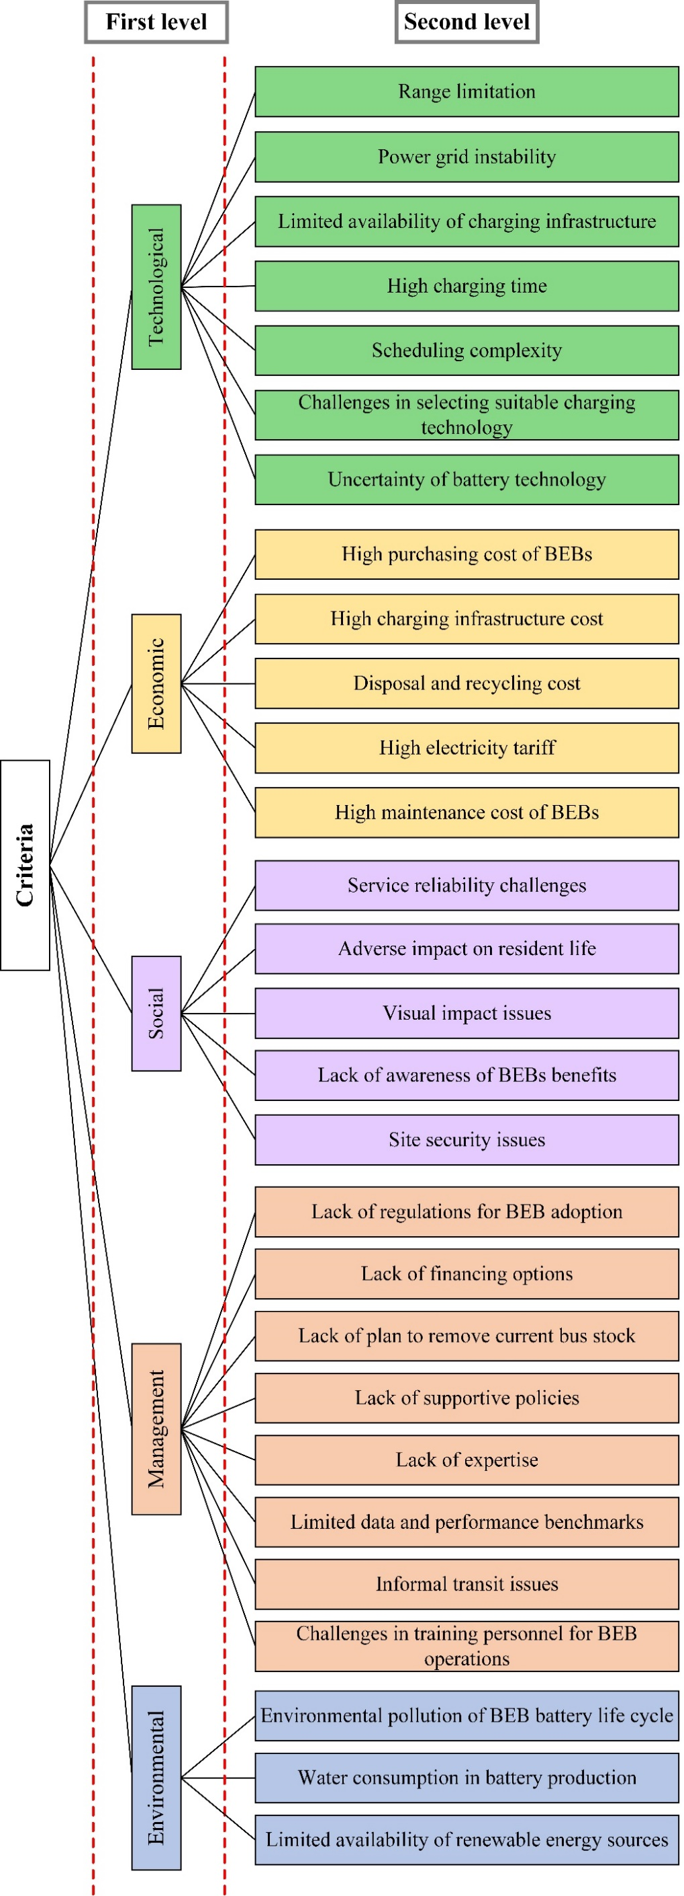

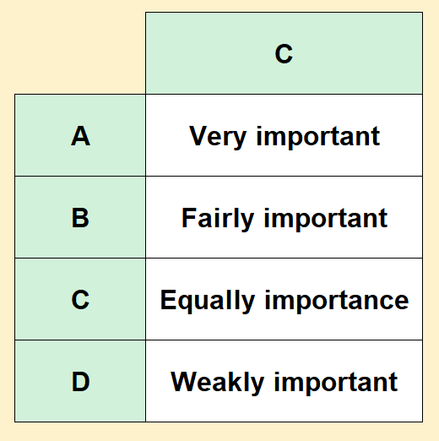 Example: *An illustrative example of comparing Most challenging-to-Others: Suppose we have four barriers A, B, C and D. Barrier A is selected as the most challenging barrier. In this case, how much more challenging (critical) barrier A is in comparison to each of the other barriers can be as follows: **An illustrative example of comparing Others-to-Least challenging: Barrier C is selected as the least challenging barrier. In this case, how much more challenging (critical) other barriers are in comparison to the barrier C can be as follows:

Equally challenging
Extremely challenging
Significantly more challenging
Slightly more challenging

Significantly more challenging

Equally challenging
Moderately more challenging
Slightly more challenging
Extremely challenging

Linguistic terms for evaluating barriers
Linguistic terms | Explanation
Equally challenging/critical | Both barriers are equally challenging or critical in hindering progress.
Slightly more challenging/critical | One barrier is slightly more challenging or critical than the other, with a minor difference in impact.
Moderately more challenging/critical | One barrier is moderately more challenging or critical than the other, with a noticeable difference in impact.
Significantly more challenging/critical | One barrier is significantly more challenging or critical than the other, demonstrating a substantial difference in impact.
Extremely challenging/critical | One barrier is extremely challenging or critical, significantly impeding progress when compared to the other.

Barriers
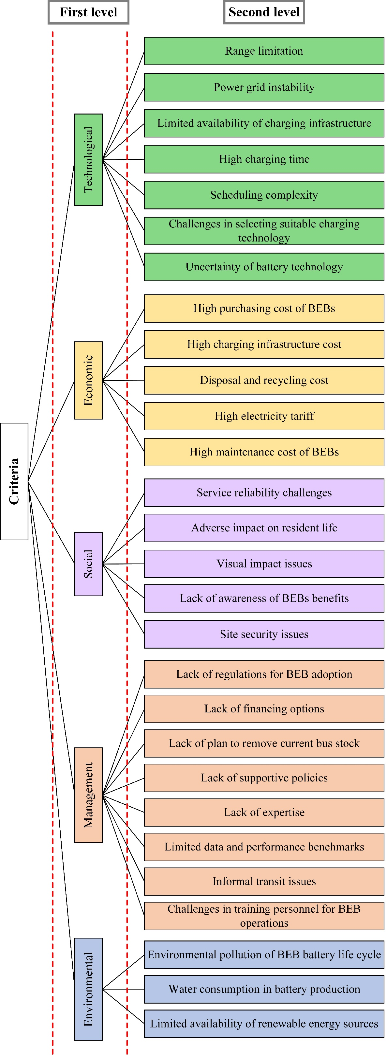
Table 1: First level-Main category of barriers
Number | Barrier | Short description | Most challenging barrier | Least challenging barrier
 |  |  |  |  | Equally challenging
1 | Technological | This relates to the technological barriers that can hinder the adoption of BEBs. |  |  | Slightly more challenging
2 | Economic | This relates to the economic barriers that can hinder the adoption of BEBs. |  |  | Moderately more challenging
3 | Social | This relates to the social barriers that can hinder the adoption of BEBs. |  |  | Significantly more challenging
4 | Management | This relates to the managerial barriers that can hinder the adoption of BEBs. |  |  | Extremely challenging
5 | Environmental | This relates to the environmental barriers that can hinder the adoption of BEBs.
Table 2: Second level-Technological barriers
Number | Barrier | Short description | Most challenging barrier | Least challenging barrier

1 | Range limitation | This relates to the distance a BEB can travel on a single charge, which can affect its operational flexibility and viability, especially for long or demanding routes.
2 | Power grid instability | This relates to the strain on the electricity grid caused by multiple buses charging at the same time, which can affect its reliability and performance because of voltage drops, harmonic pollution, and energy loss.
3 | Limited availability of charging infrastructure | This relates to the limitations of charging infrastructure, including the availability, capacity, and compatibility of charging ports and stations.
4 | High charging time | This relates to the longer charging time of BEBs compared to the quick refueling of conventional diesel buses, leading to operational scheduling challenges.
5 | Scheduling complexity | This relates to the complexity in the planning of BEBs associated with factors such as determining optimal charging schedules, monitoring battery state of charge, and optimizing route planning.
6 | Challenges in selecting suitable charging technology | This relates to the challenges of selecting the optimal charging method among various options, such as overnight and opportunity charging, each with its own set of advantages and disadvantages.
7 | Uncertainty of battery technology | This relates to uncertainties and rapid developments in battery technology, causing concerns among transit operators about the long-term viability and compatibility of their chosen technology.
Table 3: Second level-Economic barriers
Number | Barrier | Short description | Most challenging barrier | Least challenging barrier

1 | High purchasing cost of BEBs | This relates to the high capital cost of acquiring BEBs, including both the vehicle itself and the battery component.
2 | High charging infrastructure cost | This relates to the high costs of establishing charging infrastructure for BEBs, such as charging equipment and stations.
3 | Disposal and recycling cost | This relates to the financial implications of disposing and recycling BEB components, particularly batteries, as part of the end-of-life management process.
4 | High electricity tariff | This relates to the costs of electricity consumed during the charging process.
5 | High maintenance cost of BEBs | This relates to the costs of regular checks, repairs, and component replacements for BEBs.
Table 4: Second level-Social barriers
Number | Barrier | Short description | Most challenging barrier | Least challenging barrier

1 | Service reliability challenges | This relates to the concerns about the reliability of BEB operations compared to conventional buses, due to factors such as limited driving range and required charging time.
2 | Adverse impact on resident life | This relates to the effects of the BEB charging process on residents' quality of life, including issues such as noise pollution, electromagnetic field interference, and harmful gas emissions.
3 | Visual impact issues | This relates to the visual impact of charging stations on the city landscape.
4 | Lack of awareness of BEBs benefits | This relates to the unawareness of people about the benefits of BEBs, such as reduced GHG emissions and noise pollution, lower operating costs, and improved air quality.
5 | Site security issues | This relates to the security of the depot and surrounding area which can impact the safety of employees, equipment, and buses, as well as the ability to protect against theft or vandalism.
Table 5: Second level-Management barriers
Number | Barrier | Short description | Most challenging barrier | Least challenging barrier

1 | Lack of regulations for BEB adoption | This relates to the lack of specific regulations and guidelines for BEB adoption, regarding operation, maintenance, insurance, and fleet size requirement.
2 | Lack of financing options | This relates to the lack of financing options impeding the adoption of BEBs by transit agencies or operators, due to the high upfront costs and investment required for charging infrastructure.
3 | Lack of plan to remove current bus stock | This relates to the lack of a comprehensive strategy or timeline to retire old buses and replace them with BEBs, which can delay the adoption process.
4 | Lack of supportive policies | This relates to the lack of supportive policies that incentivize and expedite the adoption of BEBs, such as licensing and regulatory frameworks, and tax incentives for transit agencies.
5 | Lack of expertise | This relates to the lack of expertise in transit agencies and organizations regarding BEB technology, operational requirements, and maintenance practices.
6 | Limited data and performance benchmarks | This relates to the limited availability of accurate data and benchmarks for assessing BEB social benefits and performance.
7 | Informal transit issues | This relates to the existence of informal transit services alongside formal public transportation systems in some regions, causing challenges in implementing standardized BEB adoption strategies.
8 | Challenges in training personnel for BEB operations | This relates to the challenges of providing specialized instruction and education to bus drivers, mechanics, and staff responsible for the operation, maintenance and management of BEB fleets.
Table 6: Second level-Environmental barriers
Number | Barrier | Short description | Most challenging barrier | Least challenging barrier

1 | Environmental pollution of BEB battery life cycle | This relates to the environmental impacts of BEB batteries throughout their life cycle, such as extraction of raw materials, battery production, use, and disposal/recycling processes, considering factors such as GHG emissions and resource depletion.
2 | Water consumption in battery production | This relates to the water consumption in the production of BEB batteries.
3 | Limited availability of renewable energy sources | This relates to the limited availability of renewable energy sources such as wind or solar power to generate electricity for charging BEBs.

